Esp1 BT 5m 5s SB
...
 | Matriz Estocástica
0.061348 |  | 1 | 1 | 1
1
...
 | Matriz Estocástica
 | Vetores Posições
 | 1 | 2 | 3 | 4 | 5 | 6 | 7 | 8 | 9 | 10 | 11 | 12 | 13 | 14 | 15 | 16 | 17 | 18 | 19 | 20 | 21 | 22 | 23 | 24 | 25 | 26
 | 0.016357 | 0.018010 | 0.019669 | 0.021326 | 0.022977 | 0.024617 | 0.026245 | 0.027859 | 0.029457 | 0.031040 | 0.032606 | 0.034155 | 0.035687 | 0.037203 | 0.038702 | 0.040184 | 0.041649 | 0.043098 | 0.044530 | 0.045947 | 0.047347 | 0.048731 | 0.050100 | 0.051453 | 0.052791 | 0.054114
 | 0.940073 | 0.951006 | 0.958259 | 0.962912 | 0.965729 | 0.967252 | 0.967864 | 0.967837 | 0.967362 | 0.966575 | 0.965572 | 0.964422 | 0.963173 | 0.961857 | 0.960501 | 0.959120 | 0.957726 | 0.956328 | 0.954932 | 0.953541 | 0.952159 | 0.950788 | 0.949429 | 0.948083 | 0.946750 | 0.945431
 | 0.043571 | 0.030984 | 0.022072 | 0.015762 | 0.011294 | 0.008131 | 0.005891 | 0.004304 | 0.003181 | 0.002386 | 0.001822 | 0.001423 | 0.001140 | 0.000940 | 0.000798 | 0.000697 | 0.000625 | 0.000574 | 0.000538 | 0.000512 | 0.000494 | 0.000480 | 0.000471 | 0.000464 | 0.000459 | 0.000455
...
 | Matriz Estocástica
 | 1 TP C | 0.11672781459 | 11.672781459
 | 2 TP M | 0.020552157633 | 2.0552157633
 | 3 TP M | 0.0083835762211 | 0.83835762211
 | 4 TP M | 0.009273299393 | 0.9273299393
 | 5 TP M | 0.0083950039854 | 0.83950039854
 | 6 TP M | 0.0097714598997 | 0.97714598997
 | 7 TP M | 0.0097640566532 | 0.97640566532
 | 8 TP M | 0.0088622573517 | 0.88622573517
 | 9 TP M | 0.011673273154 | 1.1673273154
 | 10 TP M | 0.019688001022 | 1.9688001022
 | 11 TP M | 0.036788029153 | 3.6788029153
 | 12 TP F | 0.06479427758 | 6.479427758
...

Markov e MTTF
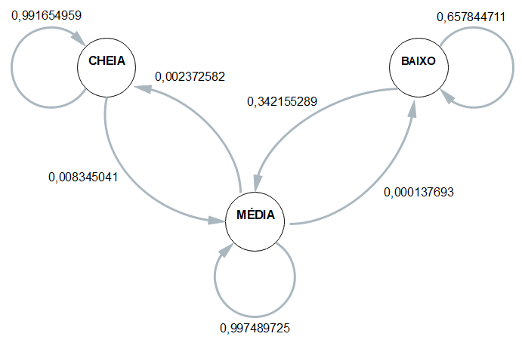
ESP2 | ESP3 | ESP4 | MÉDIA
0.99206349206 | 0.99145299145 | 0.99253731343 | 0.99165495867
0.0079365079365 | 0.008547008547 | 0.0074626865672 | 0.0083450413287
0 | 0 | 0 | 0

0.00068700192361 | 0.0020850708924 | 0.0047951774216 | 0.0023725817902
0.99917559769 | 0.99777592438 | 0.99506781751 | 0.99748972501
0.00013740038472 | 0.00013900472616 | 0.00013700506919 | 0.00013769320436

0 | 0 | 0 | 0
0.35630252101 | 0.37294332724 | 0.34752981261 | 0.3421552886
0.64369747899 | 0.62705667276 | 0.65247018739 | 0.6578447114

Esp2 | Esp3 | Esp4
16:24:50 | 16:29:02 | 16:33:20 |  | 16:26:43
1900-01-01 01:40:04 | 1900-01-01 01:37:17 | 1900-01-01 01:50:44 |  | 1900-01-01 01:40:25
1900-01-01 02:24:41 | 1900-01-01 02:18:19 | 1900-01-01 02:34:46 | MTTF | 1900-01-01 02:25:56
9:15:14 | 9:08:15 | 9:17:24 | 9:13:42 | 9:13:42

